Table
Start
i | Ui | Aij | F1 | F2 | F3 | minFj | ji | Jj | nj | Snj | fnj | p | k | Wiq | WiR | Wi | Sij | Dij | STi
1 | 200 | 700 | 700 | 700 | 700 | 700
2 | 20 | 715 | 745 | 700 | 700 | 700
Stop
3 | 90
4 | 80
5 | 37
6 | 50
7 | 57
8 | 60

Assumptions
*FCFS=Ui
*to be P score=OB

Truck Schedule
*Ui will become Pscore |  |  |  |  |  |  |  | (Sort) |  |  |  |  | Truck # | Ui
Queue |  |  | CLT2 |  | Queue |  | Queue | Drop | Parcel | Ut | Freight type | Lot 1 |  |  | Lot 2 | Lot 3 |  | Lot 4
 | 200 |  |  | 155 |  | Truck 1 | 3 |  |  |  |  | 400 | 23 | 56 | 900 | 733 | 540 | 500
 | 0:00:00 |  |  | 0:00:00 |  | Truck 2 | 8 |  |  |  |  | 401 | 1344 | 3 | 901 | 732 | 539 | 501
 |  |  |  |  |  | Truck 3 | 18 |  |  |  |  | 402 | 543 | 45 | 902 | 731 | 538 | 502
 | 201 |  |  | 154 |  | Truck 4 | 24 |  |  |  |  | 403 | 2 | 25 | 903 | 730 | 537 | 503
 | 0:00:00 |  |  | 0:00:00 |  | Truck 5 | 37 |  |  |  |  | 404 | 3224 | 47 | 904 | 729 | 536 | 504
 |  |  |  |  |  | Truck 6 | 50 |  |  |  |  | 405 | 2356 | 52 | 905 | 728 | 535 | 505
 | 202 |  |  | 153 |  | Truck 7 | 57 |  |  |  |  | 406 | 54 | 21 | 906 | 727 | 534 | 506
 | 0:00:00 |  |  | 0:00:00 |  | Truck 8 | 60 |  |  |  |  | 407 | 31 | 4 | 907 | 726 | 533 | 507
 |  |  |  |  |  |  | This is the queue | Drop queues different than parcel so we separate into 2 groups |  |  |  | 408 |  |  | 908 | 725 | 532 | 508
 | 203 |  |  | 152 |  |  | The values inside are the Priority scores |  |  |  |  | 409 |  |  | 909 | 724 | 531 | 509
 | 0:00:00 |  |  | 0:00:00 |  |  |  |  |  |  |  | 410 |  |  | 910 | 723 | 530 | 510
 |  |  |  |  |  |  |  |  |  |  |  | 411 |  |  | 911 | 722 | 529 | 511
 | 204 |  |  | 151 |  |  |  |  |  |  |  | 412 |  |  | 912 | 721 | 528 | 512
 | 0:00:00 |  |  | 0:00:00 |  |  |  |  |  |  |  | 413 |  |  |  | 720 | 527 | 513
 |  |  |  |  |  |  |  |  |  |  |  | 414 |  |  |  | 719 | 526 | 514
 | 205 |  |  | 150 |  |  |  |  |  |  |  | 415 |  |  |  | 718 | 525 | 515
 | 0:00:00 |  |  | 0:00:00 |  |  |  |  |  |  |  | 416 |  |  |  | 717 | 524 | 516
 |  |  |  |  |  |  |  |  |  |  |  | 417 |  |  |  | 716 | 523 | 517
 | 206 |  |  | 149 |  |  |  |  |  |  |  | 418 |  |  |  | 715 | 522 | 518
 | 0:00:00 |  |  | 0:00:00 |  |  |  |  |  |  |  | 419 |  |  |  | 714 | 521 | 519
 |  |  |  |  |  |  |  |  |  |  |  | 420 |  |  |  | 713 | 520 | 520
 | 207 |  |  | 148 |  |  |  |  |  |  |  | 421 |  |  |  | 712 | 519 | 521
 | 0:00:00 |  |  | 0:00:00 |  |  |  |  |  |  |  | 422 |  |  |  | 711 | 518 | 522
 |  |  |  |  |  |  | east side guard shack |  |  |  |  | 423 |  |  |  | 710 | 517 | 523
 | 208 |  |  | 147 |  |  |  |  |  |  |  | 424 |  |  |  | 709 | 516 | 524
 | 0:00:00 |  |  | 0:00:00 |  |  |  |  |  |  |  | 425 |  |  |  | 708 | 515 | 525
 |  |  |  |  |  |  |  |  |  |  |  | 426 |  |  |  | 707 | 514 | 526
 | 209 |  |  | 146 |  |  |  |  |  |  |  | 427 |  |  |  | 706 | 513 | 527
 | 0:00:00 |  |  | 0:00:00 |  |  |  |  |  |  |  | 428 |  |  |  | 705 | 512
 |  |  |  |  |  |  |  |  |  |  |  | 429 |  |  |  | 704 | 511
 | 210 |  |  | 145 |  |  |  |  |  |  |  | 430 |  |  |  | 703 | 510
 | 0:00:00 |  |  | 0:00:00 |  |  |  |  |  |  |  | 431 |  |  |  | 702 | 509
 |  |  |  |  |  |  |  |  |  |  |  | 432 |  |  |  | 701 | 508
 | 211 |  |  | 144 |  |  |  |  |  |  |  | 433 |  |  |  | 700 | 507
 | 0:00:00 |  |  | 0:00:00 |  |  |  |  |  |  |  | 434
 |  |  |  |  |  |  |  |  |  |  |  | 435
 | 212 |  |  | 143 |  |  |  |  |  |  |  | 436
 | 0:00:00 |  |  | 0:00:00 |  |  |  |  |  |  |  | 437
 |  |  |  |  |  |  |  |  |  |  |  | 438
 | 213 |  |  | 142 |  |  |  |  |  |  |  | 439
 | 0:00:00 |  |  | 0:00:00 |  |  |  |  |  |  |  | 440
 |  |  |  |  |  |  |  |  |  |  |  | 441
 | 214 |  |  | 141 |  |  |  |  |  |  |  | 442
 | 0:00:00 |  |  | 0:00:00

 | 215 |  |  | 140
 | 0:00:00 |  |  | 0:00:00

 | 216 |  |  | 139
 | 0:00:00 |  |  | 0:00:00

 | 217 |  |  | 138
 | 0:00:00 |  |  | 0:00:00

 | 218 |  |  | 137
 | 0:00:00 |  |  | 0:00:00

 | 219 |  |  | 136
 | 0:00:00 |  |  | 0:00:00

 | 220 |  |  | 135
 | 0:00:00 |  |  | 0:00:00

 | 221 |  |  | 134
 | 0:00:00 |  |  | 0:00:00

 | 222 |  |  | 133
 | 0:00:00 |  |  | 0:00:00

 | 223 |  |  | 132
 | 0:00:00 |  |  | 0:00:00

 | 224 |  |  | 131
 | 0:00:00 |  |  | 0:00:00

 | 225 |  |  | 130
 | 0:00:00 |  |  | 0:00:00

 | 226 |  |  | 129
 | 0:00:00 |  |  | 0:00:00

 | 227 |  |  | 128
 | 0:00:00 |  |  | 0:00:00

 | 228 |  |  | 127
 | 0:00:00 |  |  | 0:00:00

 | 229 |  |  | 126
 | 0:00:00 |  |  | 0:00:00

 | 230 | Drop |  | 125
 | 0:00:00 |  |  | 0:00:00

 | 231 | Drop |  | 124
 | 0:00:00 |  |  | 0:00:00

 | 232 | Drop |  | 123
 | 0:00:00 |  |  | 0:00:00

 | 233 | Drop |  | 122
 | 0:00:00 |  |  | 0:00:00

 | 234 | Parcel |  | 121
 | 0:00:00 |  |  | 0:00:00

 | 235 | Parcel |  | 120
 | 0:00:00 |  |  | 0:00:00

 | 236 | Parcel |  | 119
 | 0:00:00 |  |  | 0:00:00

 | 237 | Parcel |  | 118
 | 0:00:00 |  |  | 0:00:00

 | 238 | Parcel |  | 117
 | 0:00:00 |  |  | 0:00:00

 | 239 |  |  | 116
 | 0:00:00 |  |  | 0:00:00

 | 240 |  |  | 115
 | 0:00:00 |  |  | 0:00:00

 | 241 |  |  | 114
 | 0:00:00 |  |  | 0:00:00

 | 242 |  |  | 113
 | 0:00:00 |  |  | 0:00:00

 | 243 |  |  | 112
 | 0:00:00 |  |  | 0:00:00

 | 244 |  |  | 111
 | 0:00:00 |  |  | 0:00:00

 | 245 |  |  | 110
 | 0:00:00 |  |  | 0:00:00

 | 246 |  |  | 109
 | 0:00:00 |  |  | 0:00:00

 | 247 |  |  | 108
 | 0:00:00 |  |  | 0:00:00

 | 248 |  |  | 107
 | 0:00:00 |  |  | 0:00:00

 | 249 |  |  | 106
 | 0:00:00 |  |  | 0:00:00

 | 250 |  |  | 105
 | 0:00:00 |  |  | 0:00:00

 | 251 |  |  | 104
 | 0:00:00 |  |  | 0:00:00

 | 252 |  |  | 103
 | 0:00:00 |  |  | 0:00:00

IB
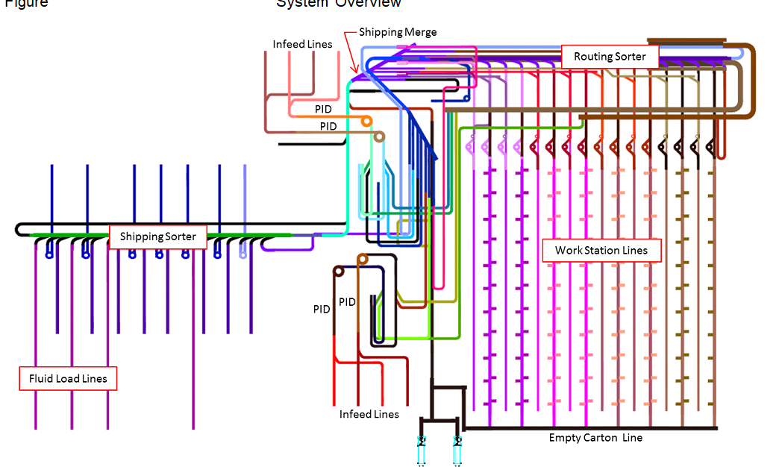
 |  |  |  |  |  |  |  | Cost |  |  |  | Example For First Truck of the day. Trucks after this will be different
 |  | Rates |  |  | Minutes | Time for truck A |  |  | # AA | Rate/hr |  |  | Start Time | Duration
T | Truck Arrives | TDR | # of Trucks/min | Time it takes to Tdr a truck | 2 | 2 | Fixed | TDR | 2 | $16.00 | $32.00 | Truck Arrives | 0 | 1
T | TDR Begins | Forklift | # of Pallets/min | Time it takes to move 1 pallet from truck to buffer | 2 | 10 | Fixed | Forklift | 1 | $16.00 | $16.00 | TDR | 1 | 2
T | TDR Ends | PS | #of Pallets/min | Time it takes to PS one pallet | 2 | 10 | Fixed | PS | 1 | $16.00 | $16.00 | Forklift | 3 | 10
T | Forklift begins unloading | WS | #of Pallets/min | Time it takes to move 1 pallet from the buffer to the line | 2 | 10 | Fixed | WS | 2 | $16.00 | $32.00 | Problem Solving | 13 | 7
T | Forklift finishes unloading | LT | #of Cartons/min | Time it takes to throw carton on to line | 2 |  | Fixed | LT | 10 | $16.00 | $160.00 | Water Spider | 15 | 5 | New Truck Can Begin
T | Problem Solving Starts | MB | #of Cartons/min | Rate of the line |  |  | Fixed | MB |  |  |  | Line Throwing | 17 | 5
T | Problem Solving Finishes | CSX |  |  |  |  |  | CSX |  |  |  | Metering Belt | 18 | 6
T | Water Spider Starts |  | Truck A |  |  |  |  | Total |  |  | $256.00 | CSX | 25 | 0
T | Water Spider Finishes |  | Trucks | 1
T | Line Thrower Starts |  | # of Pallets | 5
T | Line Thrower Ends |  | # of Cartons | 2000
T | Metering Belt
T | Csx Finished |  |  |  |  |  |  |  |  |  |  | Truck
 |  |  |  |  |  |  |  |  |  |  |  | # of Pallets
 |  |  |  |  |  |  |  | TDR |  |  |  | # of Cartons
 |  |  |  |  |  |  |  | Forklift

 |  |  |  |  | Example For First Truck of the day. Trucks after this will be different
 |  |  |  |  |  | Start Time | Duration
 |  |  |  |  | TDR | 1 | 2
 |  |  |  |  | Forklift | 3 | 10
 |  |  |  |  | Problem Solving | 13 | 7
 |  |  |  |  | Water Spider | 15 | 5 | New Truck Can Begin
 |  |  |  |  | Line Throwing | 17 | 5
 |  |  |  |  | Metering Belt | 18 | 6
 |  |  |  |  | CSX | 25 | 0

 |  |  |  |  | Truck
 |  |  |  |  | # of Pallets
 |  |  |  |  | # of Cartons

PID FLOW
Calculations for 1800 bx/hr
1 bx/ 2s
Flow 5 >= 1 bx/2s
if not Bottleneck

PID 3
 | Flow1 |  |  | Flow 3 | Metering Belt | Applicator | Flow 4 | Spiral
 |  |  |  | >bx/2s |  |  | bx/2s |  |  |  | Conveyor Theory , Modes, and Controls
 | Flex Conveyor | Infeed Line 7 |  |  | Metering Belt | Applicator |  |  |  |  | Never Feed a Line that is full
 |  |  |  |  |  |  |  |  |  |  | Conveyance should start either all at oe time, or from the outflow side first to allow for a smooth and continuous flow of product
 | Flow2

 | Flex Conveyor | Infeed Line 8

 | Flow1+Flow2=Flow3

 | Flow 3 = Flow4

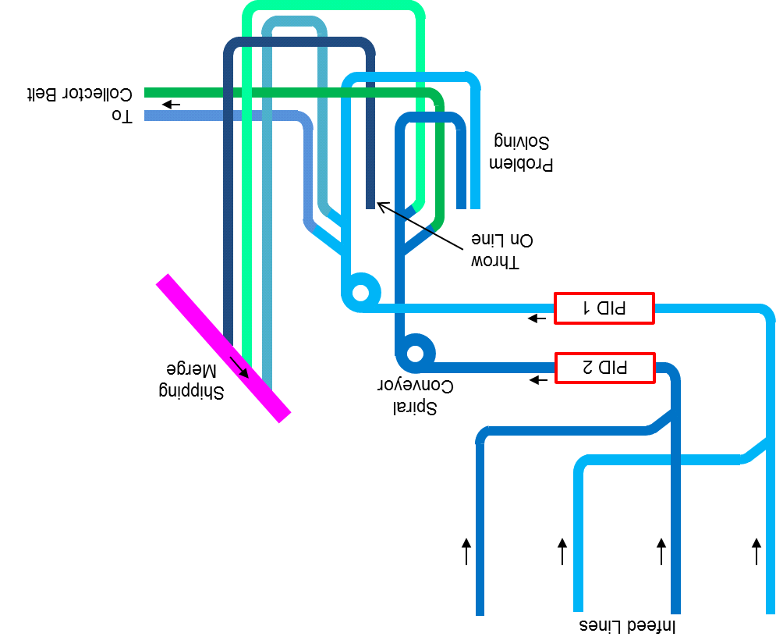
 | Flow 4 = Flow5
 |  |  | Happy
 | Flow 5 = Singulator |  | Path

Infeed Lines are comprised of
Accumulation Unit
Metering Belt Unit
Roller Transportation Unit

Controls Hierarchy

 |  |  |  |  |  | OB PID 3 |  |  |  | Flow 5

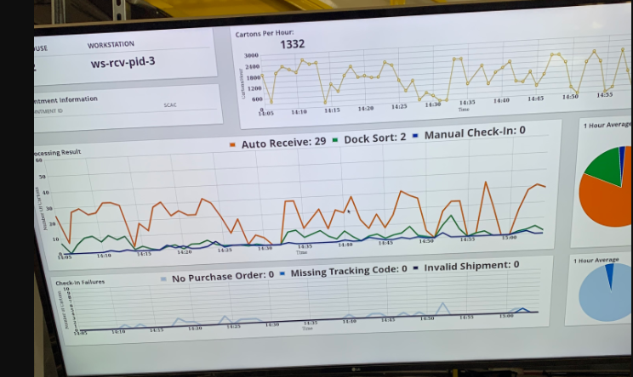

 |  |  |  |  |  |  |  |  | CB
Sources

 |  |  |  |  |  |  |  |  |  |  | 30 boxes/min | 30 boxes/60 s |  | 1 box/2 s is 1800 bx/hr
 |  |  |  |  |  |  |  |  |  |  | 60 min | 30 | bx | bx
 |  |  |  |  |  |  |  |  |  |  | 1800 boxes | 60 | s | 1 s

Layout
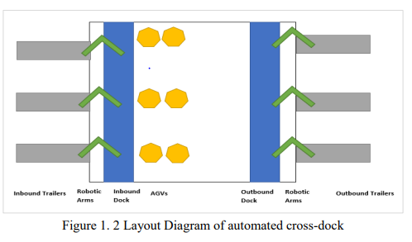

Variables
1 | 2 | 3 | 4 | 5 | 6 | 7 | 8 | 9 | 10 | 11 | 12 | 13 | 14 | 15 | 16 | 17 | 18 | 19 | 20
i | Ui | Aij | F1 | F2 | F3 | minFj | ji | Jj | nj | Snj | fnj | p | k | WiQ | WiR | Wi | Sij | Dij | STi | <--servicetime
1 | 0:30:00 | 7:00:00 | 7:00:00 | 7:00:00 | 7:00:00 | 7:00:00 | 1 | 0 | 0 | 0 | 0 | 0 | 0 | 0 | 0 | 0 | 7:00:00 | 7:30:00 | 0:30:00
2 | 0:45:00 | 7:15:00 | 7:30:00 | 7:00:00 | 7:00:00 | 7:00:00 | 2 | 0 | 0 | 0 | 0 | 0 | 0 | 0 | 0 | 0 | 7:00:00 | 7:45:00 | 0:45:00
3 | 0:20:00 | 7:20:00 | 7:30:00 | 7:15:00 | 7:00:00 | 7:00:00 | 3 | 0 | 0 | 0 | 0 | 0 | 0 | 0 | 0 | 0 | 7:00:00 | 7:20:00 | 0:20:00
4 |  |  |  |  | 7:20:00
5
6 |  |  |  |  |  | (1.5), the expected earliest time for a door to be available, Fj where ji = 1, 2, · · · , Nd is calculated by adding the time remaining for a particular truck to finish unloading at the dock door and the total unloading time of all trucks currently queuing at the lane for that dock door | 1 |  |  |  | (1.6) specifies that the finish time of current serviced truck at its assigned door is calculated based on its start time and associated unloading time. | 1 |  |  | (1.7) enforced that the truck has to depart from door j immediately after its inbound process completed. Thus, the departure time of truck i from the door j is equal to the sum of the truck’s arrival time, its unloading time and its waiting time | 4
7 |  |  |  |  |  |  | assigned door | 1 if currently assigned | Trk currently assigned to assigned door
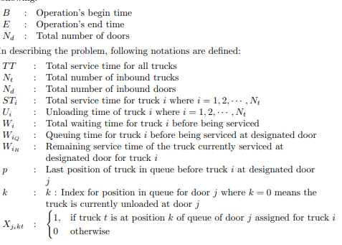
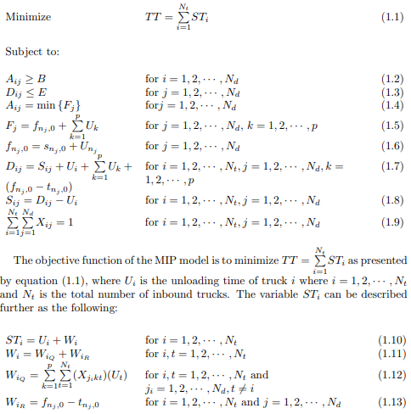
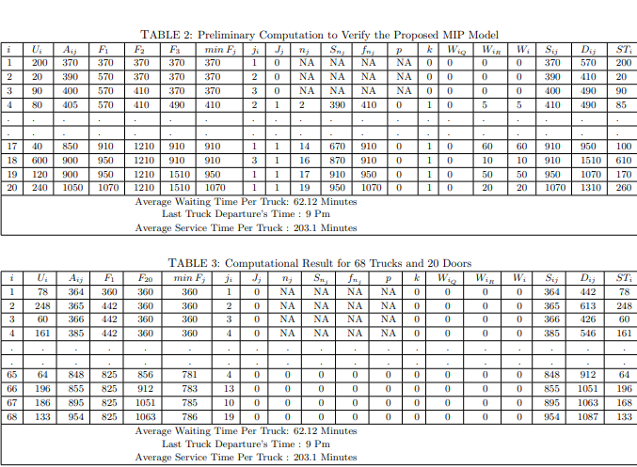

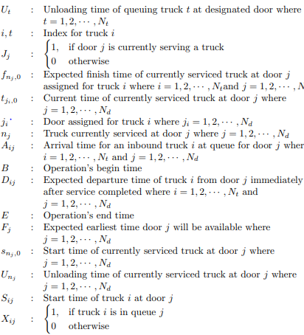
 |  |  |  |  |  |  |  |  |  |  |  |  | F1= the current trucks expected finish time at that door (1) + the unloading time of all the trucks in that queue
 |  |  |  |  |  |  | 0 means currently serviced
 |  |  |  |  |  |  | nj means truck currently serviced at door j

 |  |  |  |  |  |  |  |  |  |  |  |  |  | Aij = min {Fj} forj = 1, 2, · · · , Nd |  | Assumptions
 |  |  |  |  |  |  |  |  |  |  |  |  |  | Fj = fnj ,0 + Pp k=1 Uk for j = 1, 2, · · · , Nd, k = 1, 2, · · · , p |  | 1. The exact information of the freight is known upon arrival.
 |  |  |  |  |  |  |  |  |  |  |  |  |  | FNJ,0=Snj,0+Unj |  | 2. Inbound trucks arrive dynamically over time.
 |  |  |  |  |  |  |  |  |  |  |  |  |  |  |  | 3. Unloading time for each truck differs based on the freight characteristics.
 |  |  |  |  |  |  |  |  |  |  |  |  |  |  |  | 4. Model follows First-Come-First-Serve (FCFS) queuing rule.
 |  |  |  |  |  |  |  |  |  |  |  |  |  |  |  | 5. No pre-emption (interruption) is allowed when a truck is being served.
 |  |  |  |  |  |  |  |  |  |  |  |  |  | Aij=arrival time at the door |  | 6. Processing time to assign the truck to the receiving door (or lane) is negligible.
 |  |  |  |  |  |  |  |  |  |  |  |  |  |  |  | 7. Model will assign the incoming truck to the fastest door available.
 |  |  |  |  |  |  |  |  |  |  |  |  |  |  |  | 8. If door j and door j + n are available at the same time, priority is given to door j |  |  |  |  | Aij = min {Fj} forj = 1, 2, · · · , Nd
 |  |  |  |  |  |  |  |  |  |  |  |  |  |  |  | 9. The start time of service for the next truck at designated door is immediately after the departure of currently serviced truck (if there is a queue). |  |  |  |  | Fj = fnj ,0 + Pp k=1 Uk for j = 1, 2, · · · , Nd, k = 1, 2, · · · , p
 |  |  |  |  |  |  |  |  |  |  |  |  |  |  |  |  | B |  |  |  | FNJ,0=Snj,0+Unj
 |  |  |  |  |  |  |  |  |  |  |  |  |  |  |  | Operation' Begin Time | E
 |  |  |  |  |  |  |  |  |  |  |  |  |  |  |  | Operation's End Time | Nd
 |  |  |  |  |  |  |  |  |  |  |  |  |  |  |  | Total Number of Doors
 |  |  |  |  |  |  |  |  |  |  |  |  |  |  |  |  | TT |  |  |  | Aij=arrival time at the door
 |  |  |  |  |  |  |  |  |  |  |  |  |  |  |  | Total Service time for all trucks | Nt
 |  |  |  |  |  |  |  |  |  |  |  |  |  |  |  | Total Number of inbound trucks | Nd
 |  |  |  |  |  |  |  |  |  |  |  |  |  |  |  | Total number of inbound doors | STi
 |  |  |  |  |  |  |  |  |  |  |  |  |  |  |  | Total Service time for truck i where i=1,2....Nt | Ui
 |  |  |  |  |  |  |  |  |  |  |  |  |  |  |  | Unloading time of truck i where i =1,2....Nt | Wi
 |  |  |  |  |  |  |  |  |  |  |  |  |  |  |  | Total waiting time for truck i before being serviced | WiQ
 |  |  |  |  |  |  |  |  |  |  |  |  |  |  |  | Queuing time for truck i before being servied at designated door | WiR
 |  |  |  |  |  |  |  |  |  |  |  |  |  |  |  | Remaining service time of the truck currently servied at designtated door fro truck i | p
 |  |  |  |  |  |  |  |  |  |  |  |  |  |  |  | Last postiong of truck in queeue before truc i at designated door j | k
 |  |  |  |  |  |  |  |  |  |  |  |  |  |  |  | K: Index for postion in queuee for door j where k=o means the truck in currently unloaded at door j | Xjikt
 |  |  |  |  |  |  |  |  |  |  |  |  |  |  |  | {1, if truck t is at postion k of queue of door j assigned for truck
 |  |  |  |  |  |  |  |  |  |  |  |  |  |  |  | {0, otherwse
 |  |  |  |  |  |  |  |  |  |  |  |  |  |  |  |  | ut
 |  |  |  |  |  |  |  |  |  |  |  |  |  |  |  | Unloading time of queuing truck t at designated door where t = 1, 2, · · · , Nt | i,t
 |  |  |  |  |  |  |  |  |  |  |  |  |  |  |  | Index for truck i | Jj
 |  |  |  |  |  |  |  |  |  |  |  |  |  |  |  | ( 1, if door j is currently serving a truck 0 otherwise | fnj,0
 |  |  |  |  |  |  |  |  |  |  |  |  |  |  |  | Expected finish time of currently serviced truck at door j assigned for truck i where i = 1, 2, · · · , Ntand j = 1, 2, · · · , Nd | tji,0
 |  |  |  |  |  |  |  |  |  |  |  |  |  |  |  | Current time of currently serviced truck at door j where j = 1, 2, · · · , Nd | ji
 |  |  |  |  |  |  |  |  |  |  |  |  |  |  |  | Door assigned for truck i where ji = 1, 2, · · · , Nd | nj
 |  |  |  |  |  |  |  |  |  |  |  |  |  |  |  | Truck currently serviced at door j where j = 1, 2, · · · , Nd | Aij
 |  |  |  |  |  |  |  |  |  |  |  |  |  |  |  | Arrival time for an inbound truck i at queue for door j where i = 1, 2, · · · , Nt and j = 1, 2, · · · , Nd | B
 |  |  |  |  |  |  |  |  |  |  |  |  |  |  |  | Operation’s begin time | Dij
 |  |  |  |  |  |  |  |  |  |  |  |  |  |  |  | Expected departure time of truck i from door j immediately after service completed where i = 1, 2, · · · , Nt and j = 1, 2, · · · , Nd | E
 |  |  |  |  |  |  |  |  |  |  |  |  |  |  |  | Operation’s end time | Fj
 |  |  |  |  |  |  |  |  |  |  |  |  |  |  |  | Expected earliest time door j will be available where j = 1, 2, · · · , Nd | snj,0
 |  |  |  |  |  |  |  |  |  |  |  |  |  |  |  | Start time of currently serviced truck at door j where j = 1, 2, · · · , Nd | Unj
 |  |  |  |  |  |  |  |  |  |  |  |  |  |  |  | Unloading time of currently serviced truck at door j where j = 1, 2, · · · , Nd | Sij
 |  |  |  |  |  |  |  |  |  |  |  |  |  |  |  | Start time of truck i at door j | Xij
 |  |  |  |  |  |  |  |  |  |  |  |  |  |  |  | { 1, if truck i is in queue j {0 otherwise

